Order form 2022
ROCK MACHINE 2010-2022 REAR DERAILLEUR HANGER + ORIGINAL SPARE PARTS
BFI CODE | PICTURE | Brand | MODELS 2010 | MODELS 2011 | MODELS 2012 | MODELS 2013 | MODELS 2014 | MODELS 2015 | MODELS 2016 | MODELS 2017 | MODELS 2018 | MODELS 2019 | MODELS 2020 | MODELS 2021 | MODELS 2022
013.0002.00046-244 replaces 013.0002.00046-177 | 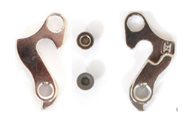 | SUP+RM | EL NINO THUNDER 70/50 LANDSLIDE | HEATWAVE 70/60/50 TYPHOON 70/60/50 THUNDER 70/50 | THUNDER 70/50 TYPHOON 70/60/50 HEATWAVE 70/60/50 SURGE 70/60 MANHATTAN 60 5th AVENUE 60 CATHERINE 70/60/50 | HEATWAVE 70/60/50 TYPHOON 70/60/50 THUNDER 70/60 CATHERINE 70/60/50/30 EL NINO 90/70/60 SURGE 70/60 MANHATTAN 70/62 5th AVENUE 60 LANDSLIDE 70/60 | HEATWAVE 70/60 TYPHOON 90/70/60 THUNDER 70/60/50 CATHERINE 50/30/24 EL NINO 90/70/60 SURGE 70/60/50/24 MANHATTAN 70/60/50/30 CAMILE 70/60 5th AVENUE 60/50/30 | EL NINO 29/27.5 HEATWAVE 29/27.5 MANHATTAN 29/27.5/26 CATHERINE 27.5 5th AVENUE 26 | EL NINO 29/27.5 HEATWAVE 29/27.5 MANHATTAN 29/27.5/26 CATHERINE 27.5 5th AVENUE 26 | STORM 90/60-29 90/60-27 HEATWAVE 90/70/60-29 90/70/60-27 MANHATTAN 29/27/26 CATHERINE 90/70/60/40 5th AVENUE 60/50/30 | HEATWAVE 90/70/60-29 90/70/60-27 STORM 90/60-29 90/60-27 MANHATTAN 29/27/26 CATHERINE 26/24 5th AVENUE 60/50/30 STORM 26/24 | HEATWAVE 90/70-29 90/70-27 STORM 90/60-29 90/60-27 26/24 26/24 MD |  | STORM 27/24 MD | STORM 27/24 MD
013.0002.00020-196 | 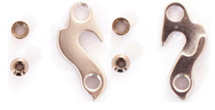 | RM |  | EXPLOSION 50/30 VOLCANO 50 | VORTEX 50/30 EXPLOSION 50/30 VOLCANO 50/30 | TSUNAMI F50/F30
013.0002.00061-196 | 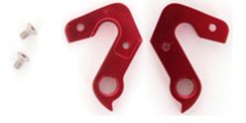 | SUP+RM |  | BLIZZARD 90/70/50/30 | BLIZZARD 90/70/50
013.0002.00069-177 |  | RM |  | RACERIDE 900 |  | RACERIDE 300/200 | RACERIDE 300/200 | RACERIDE 300/200 | RACERIDE 300/200 | RACERIDE 300/200
013.0002.00003-177 |  | SUP+RM |  | MANHATTAN 5TH AVENUE CROSSRIDE 350/250/150/100 STORM 24 SURGE 24/20 | MANHATTAN 50 5TH AVENUE CROSSRIDE 350/200/100/75 STORM 24 SURGE 24/20 | SURGE 20 MANHATTAN 50/30 CROSSRIDE 200/100/75/50 CATHERINE 20 5th AVENUE 50 | SURGE 20 CROSSRIDE 200/100/75/50 CATHERINE 20 | CROSSRIDE 200/100/75/50 | CROSSRIDE 200/100/75/50 | CROSSRIDE 200/100/75/50 | CROSSRIDE 200/100/75/50 LADY CATHERINE 50 STORM 20 |  |  |  | SURGE 20 LTD
013.0002.00087-177 | 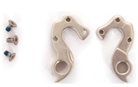 | SUP+RM |  |  |  | RACERIDE 700
013.0002.00014-348 |  | RM |  |  |  |  | FIRESTORM 70/50/30 EXPLOSION 70/50/30 | EXPLOSION 29/27.5
013.0002.00016-177 | 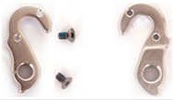 | SUP+RM |  |  |  |  |  | RACERIDE 1200/900
013.0002.00011-348 |  | SUP+RM |  |  |  | RACERIDE 1200 | RACERIDE 1200/700 BLITZFIRE 90/70/50/30 TORRENT 90/70/50/30 | RACERIDE 1300/700 TORRENT 29/27.5 AVALANCHE 70/30 | RACERIDE 1300/700 AVALANCHE 70/30 | RACERIDE 700 AVALANCHE 70/30
013.0002.00083-244 | 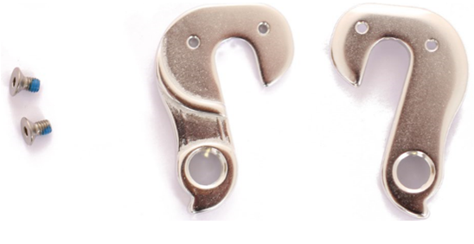 | SUP+RM |  |  |  |  | CROSSRIDE 400/350/300 | CROSSRIDE 500/350/300 | CROSSRIDE 500/350/300 | CROSSRIDE 500/350/300
013.0002.00091-348 |  | SUP+RM |  |  |  |  |  |  | RACERIDE 1200/900 | RACERIDE 1200
013.0002.00093-348 | 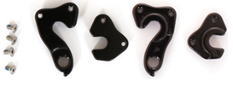 | RM |  |  |  |  |  |  | EXPLOSION 30-29 30-27 | EXPLOSION 30-29 30-27
013.0002.00094-348 |  | RM |  |  |  |  |  |  | EXPLOSION 70 70 LTD 50/30 LTD-29 70/50-27 | EXPLOSION 70/50-29 70/50-27
013.0002.00099-356 replaces 013.0002.00090-177 |  | SUP+RM |  |  |  |  |  |  | TORRENT 29/27.5 | TTORRENT 29/27.5
013.0002.00136-372 replaces 013.0002.00089-377 013.0002.00089-177 |  | SUP+RM + ORDER FORM ORIGINAL SPARE PARTS |  |  |  |  |  | BLIZZARD 29/27.5 | BLIZZARD 29/27.5 | blizz int e90-27+ 70-27 70-27.5+ | BLIZZ INT e90-27+ BLIZZARD INT e90/e50-27+ | BLIZZARD e90 – 27 25TH ANNIVERSARY BLIZZARD e90 – 29 BLIZZARD e50 – 29/27 BLIZZARD INT e90/e70/e50/e30-27+ BLIZZARD INT e90-27+ BLIZZ INT e90/e50/e30-27+ | BLIZZARD INT2 e90-29 RZ e70-29 DI2 e50/e30-29 BLIZZ INT2 e50/e30-29
013.0002.00089-377 replaces 013.0002.00089-177 | will be added soon | SUP+RM + ORDER FORM ORIGINAL SPARE PARTS |  |  |  |  |  | BLIZZARD 29/27.5 | BLIZZARD 29/27.5 | blizz int e90-27+ 70-27 70-27.5+ | BLIZZ INT e90-27+ BLIZZARD INT e90/e50-27+ | BLIZZARD e90 – 27 25TH ANNIVERSARY BLIZZARD e90 – 29 BLIZZARD e50 – 29/27 BLIZZARD INT e90/e70/e50/e30-27+ BLIZZARD INT e90-27+ BLIZZ INT e90/e50/e30-27+ | BLIZZARD INT2 e90-29 RZ e70-29 DI2 e50/e30-29 BLIZZ INT2 e50/e30-29
013.0002.00008-377 replaces 013.0002.00142-398 013.0002.00008-177 013.0002.00102-177 |  | SUP+RM + ORDER FORM ORIGINAL SPARE PARTS |  |  |  |  | VORTEX 70/50/30 BLIZZARD 90/70/50 |  |  | BLIZZARD 70/30-29 90/50-27 90/50-27+ | BLIZZARD 70/30-29 90/50-27 90/50-27+ BLIZZARD LTD Blizz CRB 70/30-29 50-27+ | BLIZZARD XCM 90/70/30-29 90-29 25th Anniversary BLIZZARD 90/50-27 BLIZZARD TRL 90/50-29 BLIZZ CRB 90/70/50/30-29 CATHERINE CRB 30-29 | BLIZZARD XCM 70/30-29 BLIZZARD 90-27 RZ 70/50-27 BLIZZARD TRL 90/70/30-29 BLIZZ CRB 90/70/50/30-29 CATHERINE CRB 30-29 | BLIZZARD XCM 70/30-29 BLIZZARD 90-297 RZ 70/50-297 BLIZZARD TRL 90/70/30-29 BLIZZ CRB 90/70/50/30/20-29 CATHERINE CRB 30/20-29 | BLIZZARD XCM 70/30-29 BLIZZARD 90-297 RZ 70/50-297 BLIZZARD TRL 90/70/30-29 Blizz CRB 90/70/50/30/20-29 Catherine CRB 30/20-29
013.0002.00142-398 |  | RM |  |  |  |  |  |  |  |  |  |  | BLIZZ CRB 90/70/50/30-29 CATHERINE CRB 30-29 | BLIZZ CRB 90/70/50/30-29 CATHERINE CRB 30/20-29 | BLIZZ CRB 90/70/50/30/20-29 CATHERINE CRB 30/20-29
013.0002.00108-377 |  | SUP+RM |  |  |  |  |  |  |  | TORRENT 90/70-29 50/30-29 e90/e70 | TORRENT e90/e70 | TORRENT 90/70/50/30-29 e90/e70/e30-29 HEATWAVE e30-29 CATHERINE 30-29
013.0002.00109-377 |  | SUP+RM |  |  |  |  |  |  |  |  | TORRENT 90/70-29 50/30-29 e90/e70 | TORRENT 90/70/50/30-29 e90/e70/e30-29 HEATWAVE e30-29
013.0002.00104-377 |  | SUP+RM |  |  |  |  |  |  |  | GRAVELRIDE 700/200 | GRAVELRIDE 700/200 | GRAVELRIDE 700/500/200 |  | GRAVELRIDE INT e700 Di2 e500 TOURING | GRAVELRIDE INT e700 Di2 e500 TOURING
013.0002.00105-377 |  | SUP+RM |  |  |  |  |  |  |  |  | GRAVELRIDE 700/200 | GRAVELRIDE 700/500/200
013.0002.00129-244 |  | RM |  |  |  |  |  |  |  |  | CATHERINE 90/70/60/40 THUNDER 26/24/20 BLIZZ 26/24/20 | CATHERINE 90/70/60/40 26/24/20 THUNDER 26/24/20 BLIZZ 26/24/20 STORM 20
013.0002.00128-356 |  | RM |  |  |  |  |  |  |  |  | CROSSRIDE 500/350/300 350/300 LADY
013.0002.00135-383 replaces 013.0002.00138-244 013.0002.00134-381 | 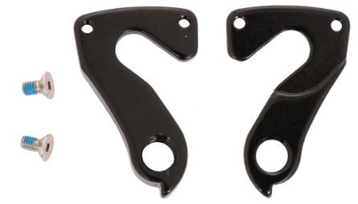 | SUP+RM |  |  |  |  |  |  |  | BLACKOUT 60/40 60L/40L | BLACKOUT ES 20 CROSSRIDE e500/e350 e500 LADY TORRENT e30 eSTORM 60 CATHERINE e60 BLIZZ CRB 50-27+ | BLACKOUT SD 40/10/10T 40/10/10T LADY BLACKOUT ES 40/20 40/20 LADY BLACKOUT 60/40 40 LADY MANHATTAN 90/70/40-29 90/70/40-27.5 CROSSRIDE 800/700/500/300/250/100/75 300/250/100/75 LADY CROSSRIDE e500/e400/e350 e500/e400/e350 LADY TORRENT e30-27 TORRENT JRN e30-27 STORM e60-29 e60-29 25TH ANNIVERSARY CATHERINE e60-29 | THUNDER 27 HD LTD BLIZZ 27 LTD HEATWAVE 90/70-29 AVALANCHE e50-26 TORRENT MANHATTAN 60/50/30-29 90/70/40-29 e90/e30-29 e30-29 e70-29 TOURING e50-29 TOURING TORRENT JNR e30-27 CATHERINE 90/70/40-27 30/10-29 e70-29/e60-29 (incl. battery 400Wh) STORM 90/80/60-29 e60-29 (incl. battery 400Wh) e70-29 (incl. battery 500Wh) e90-29 TOURING (incl. battery 500Wh) CROSSRIDE 1100/700/500/300/250/100 300/250/100 LADY e700 /e500 TOURING e500 LADY TOURING e400 LADY e400/e350/e325 e350/e325 LADY (incl. battery 400Wh) e375/e450 TOURING e375/e450 LADY TOURING (incl. battery 500Wh SD M800 LADY/M850 LADY | TORRENT INT STORM INT e90/e30-29 e90-29 TOURING e90/e30-29 LADY e90-29 LADY TOURING e70/e50-29 B e70-29 e70/e50-29 B LADY e70-29 LADY e50-29 B TOURING TORRENT STORM 60/50/30/20-29 e90-29 TOURING e70-29 CROSSRIDE INT e500/e450/e425/e400 TOURING e500/e450/e425/e400 LADY TOURING e500/e400 B TOURING e500B/e400 B LADY TOURING CROSSRIDE BLIZZ 700/300/100 27 HD LTD 300/100 LADY 30/10-29 e350 LADY TOURING CATHERINE CITYRIDE 60/40/20/10-29 e300 B 70/40-27 e200/e100 SD e70-29 e90-29 TOURING THUNDER 29/27 HD LTD MANHATTAN 90/70/40-29 | TORRENT INT STORM INT e90/e30-29 e90-29 TOURING e90/e30-29 LADY e90-29 LADY TOURING e70/e50-29 B e70-29 e70/e50-29 B LADY e70-29 LADY e90-29 UNISEX TOURING TORRENT STORM 60/50/30/20-29 e90-29 TOURING e70-29 CROSSRIDE INT e500/e450/e425/e400 TOURING e500/e450/e425/e400 LADY TOURING e500/e400 B TOURING e500B/e400 B LADY TOURING CROSSRIDE BLIZZ 700/300/100 30/10-29 300/100 LADY e350 LADY TOURING CATHERINE CITYRIDE 60/40/20/10-29 e400 B 70/40-27 e200/e100 SD e70-29 e90-29 TOURING THUNDER MANHATTAN 27 HD LTD 90/70/40-29
013.0002.00112-377 | 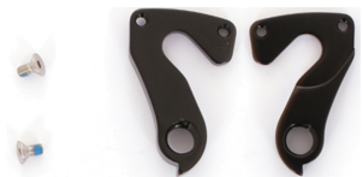 | SUP+RM |  |  |  |  |  |  |  | BLACKOUT 60/40 60L/40L | BLACKOUT 60/40 60L/40L BLACKOUT ES 40
013.0003.00090-372 | 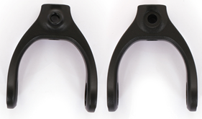 | RM ORDER FORM ORIGINAL SPARE PARTS |  |  |  |  |  |  |  | BLIZZARD 90/70/50-27 90/70/50-27+ | BLIZZARD 90/70/50-27 90/70/50-27+ 90/70/50-29 BLIZZARD INT e90/e50-27+ | BLIZZARD 90/70/50-27 90/70/50-27+ 90/70/50-29 BLIZZARD INT e90/e50-27+ | BLIZZARD INT2 e90-29 RZ e70-29 Di2 e50/e30-29 | BLIZZARD 70/50-297 90-297 RZ BLIZZARD INT e50/e30-29 e70-297 e90-297 RZ BLIZZARD TRL 90/70/30-29 BLIZZARD XCM 70/30-29 | BLIZZARD 70/50-297 90-297 RZ BLIZZARD INT e50/e30-29 e70-297 e90-297 RZ BLIZZARD TRL 90/70/30-29 BLIZZARD XCM 70/30-29
013.0003.00091-372 |  | RM ORDER FORM ORIGINAL SPARE PARTS |  |  |  |  |  |  | CROSSRIDE e500/e350 | BLIZZARD 90/70/50-27 90/70/50-27+ | BLIZZARD LTD – 27 BLIZZARD 90/70/50 - 27 90/70/50 - 27+ 70/30 – 29 BLIZZARD INT eLTD BLIZZARD INT e90/e50 - 27+ | BLIZZARD LTD – 27 BLIZZARD 90/70/50 - 27 90/70/50 - 27+ 70/30 – 29 BLIZZARD INT eLTD BLIZZARD INT e90/e50 - 27+ | BLIZZARD INT2 e90-29 RZ e70-29 Di2 e50/e30-29 BLIZZARD e30/e10 – 29 | BLIZZARD 70/50-297 90-297 RZ BLIZZARD TRL 90/70/30-29 BLIZZARD XCM 70/30-29 BLIZZARD INT e50/e30-29 e70-297 e90-297 RZ | BLIZZARD 70/50-297 90-297 RZ BLIZZARD TRL 90/70/30-29 BLIZZARD XCM 70/30-29 BLIZZARD INT e50/e30-29 e70-297 e90-297 RZ
013.0003.00092-372 |  | RM ORDER FORM ORIGINAL SPARE PARTS |  |  |  |  |  |  |  | BLIZZARD 90/70/50-27 90/70/50-27+ | BLIZZARD 90/70/50-27 90/70/50-27+ 70/30-29 BLIZZARD LTD - 27 | BLIZZARD 90/70/50-27 90/70/50-27+ 70/30-29 BLIZZARD LTD - 27 |  | BLIZZARD XCM 70/30-29 BLIZZARD 70/50-297 90-297 RZ BLIZZARD TRL 90/70/30-29 | BLIZZARD XCM 70/30-29 BLIZZARD 70/50-297 90-297 RZ BLIZZARD TRL 90/70/30-29
013.0003.00088-372 |  | RM ORDER FORM ORIGINAL SPARE PARTS |  |  |  |  |  |  | TORRENT e30 | BLIZZARD 90/70/50-27 90/70/50-27+ | BLIZZARD LTD – 27 BLIZZARD 90/70/50 - 27 90/70/50 - 27+ 70/30 – 29 BLIZZARD INT eLTD BLIZZARD INT e90/e50 - 27+ | BLIZZARD LTD – 27 BLIZZARD 90/70/50 - 27 90/70/50 - 27+ 70/30 – 29 BLIZZARD INT eLTD BLIZZARD INT e90/e50 - 27+ | BLIZZARD INT2 e90-29 RZ e70-29 Di2 e50/e30-29 BLIZZARD e30/e10 – 29 | BLIZZARD 70/50-297 90-297 RZ BLIZZART INT e50/e30-29 e70-297 e90-297 RZ BLIZZARD TRL 90/70/30-29 BLIZZARD XCM 70/30-29 | BLIZZARD 70/50-297 90-297 RZ BLIZZART INT e50/e30-29 e70-297 e90-297 RZ BLIZZARD TRL 90/70/30-29 BLIZZARD XCM 70/30-29
013.0003.00089-372 |  | RM ORDER FORM ORIGINAL SPARE PARTS |  |  |  |  |  |  |  | BLIZZARD 90/70/50-27 90/70/50-27+ | BLIZZARD 90/70/50-27 90/70/50-27+ 70/30-29 BLIZZARD LTD - 27 | BLIZZARD 90/70/50-27 90/70/50-27+ 70/30-29 BLIZZARD LTD - 27 | BLIZZARD 70/50-27 90-27 RZ BLIZZARD TRL 90/70/30-29 BLIZZARD XCM 70/30-29 | BLIZZARD 70/50-297 90-297 RZ BLIZZARD TRL 90/70/30-29 BLIZZARD XCM 70/30-29 | BLIZZARD 70/50-297 90-297 RZ BLIZZARD TRL 90/70/30-29 BLIZZARD XCM 70/30-29
013.0003.00094-372 |  | RM ORDER FORM ORIGINAL SPARE PARTS |  |  |  |  |  |  |  |  | BLIZZARD INT e90/e50 - 27+ BLIZZARD INT Eltd | BLIZZARD INT e90/e50 - 27+ BLIZZARD INT eLTD | BLIZZARD INT2 e90-29 RZ e70-29 Di2 e50/e30-29 BLIZZARD e30/e10 – 29 | BLIZZARD INT e70/e50/e30-29 e70-297 e90-297 RZ
013.0003.00095-372 |  | RM ORDER FORM ORIGINAL SPARE PARTS |  |  |  |  |  |  |  |  | BLIZZARD INT e90/e50 - 27+ BLIZZARD INT eLTD BLIZZ INT e90/e50 - 27+ | BLIZZARD INT e90/e50 - 27+ BLIZZARD INT eLTD BLIZZ INT e90/e50 - 27+ | BLIZZARD INT2 e90-29 RZ e70-29 Di2 e50/e30-29 BLIZZ INT2 e50/e30-29 BLIZZARD e30/e10 – 29 | BLIZZARD INT e50/e30-29 e70-297 e90-297 RZ BLIZZ INT e60/e40-29
013.0003.00096-372 |  | RM ORDER FORM ORIGINAL SPARE PARTS |  |  |  |  |  |  | CATHERINE e60 |  | BLIZZARD INT eLTD BLIZZARD INT e90/e50 - 27+ | BLIZZARD INT eLTD BLIZZARD INT e90/e50 - 27+ | BLIZZARD INT2 e90-29 RZ e70-29 Di2 e50/e30-29 BLIZZARD e30/e10 – 29 | BLIZZARD INT e50/e30-29 e70-297 e90-297 RZ
013.0019.00001-372 |  | RM ORDER FORM ORIGINAL SPARE PARTS |  |  |  |  |  |  |  |  | BLIZZARD INT eLTD BLIZZARD INT e90/e50-27+ BLIZZ INT e90/e50-27+ | BLIZZARD INT eLTD BLIZZARD INT e90/e50-27+ BLIZZ INT e90/e50-27+ | BLIZZARD INT2 e90-29 RZ e70-29 Di2 e50/e30-29 BLIZZ INT2 e50/e30-29 BLIZZARD e30/e10 – 29
013.0020.00001-372 | 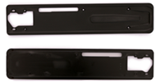 | RM ORDER FORM ORIGINAL SPARE PARTS |  |  |  |  |  |  | BLIZZ CRB 50-27+ |  | BLIZZARD INT eLTD BLIZZARD INT e90/e50-27+ BLIZZ INT e90/e50-27+ | BLIZZARD INT eLTD BLIZZARD INT e90/e50-27+ BLIZZ INT e90/e50-27+
013.0002.00143-398 | 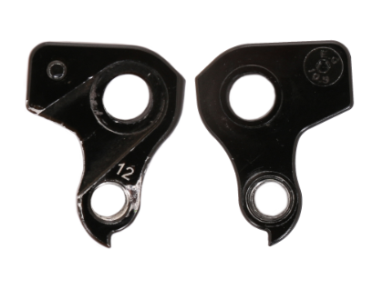 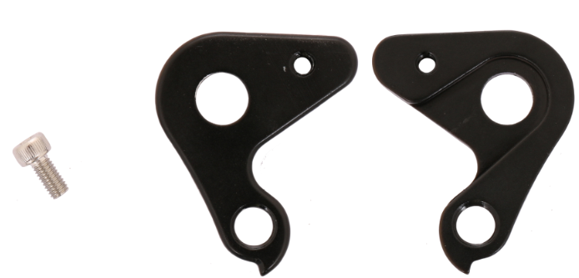 | RM |  |  |  |  |  |  |  |  |  |  | GRAVELRIDE CRB 1100/900/700 | GRAVELRIDE CRB 900/700 | GRAVELRIDE CRB 900/700
013.0002.00148-381 | 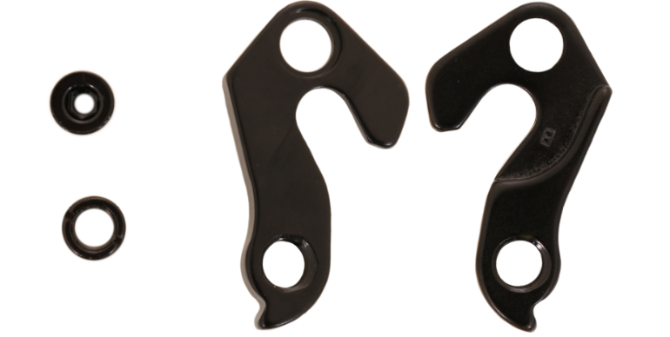 | RM |  |  |  |  |  |  |  |  |  |  | GRAVELRIDE 500/200
013.0002.00110-244 | 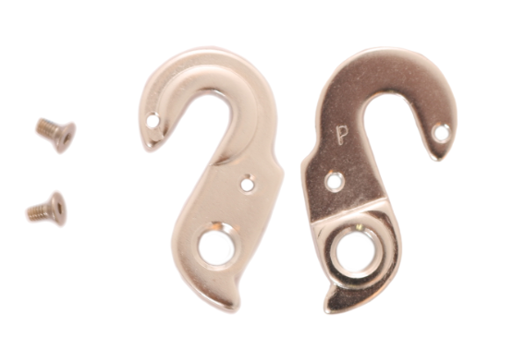 | RM |  |  |  |  |  |  |  |  |  |  | THUNDER 27/26/24/20 VB BLIZZ 27/24/20 MD STORM 27/24 MD 20 VB CATHERINE 27/24/20 VB | THUNDER 29/27/26/24/20 VB BLIZZ 27/24 HD 20 MD STORM 20 VB CATHERINE 27/24/20 VB | THUNDER 27/24/20 VB BLIZZ 27/24 HD 20 MD STORM 20 VB CATHERINE 27/24/20 VB
013.0002.00098-377 | 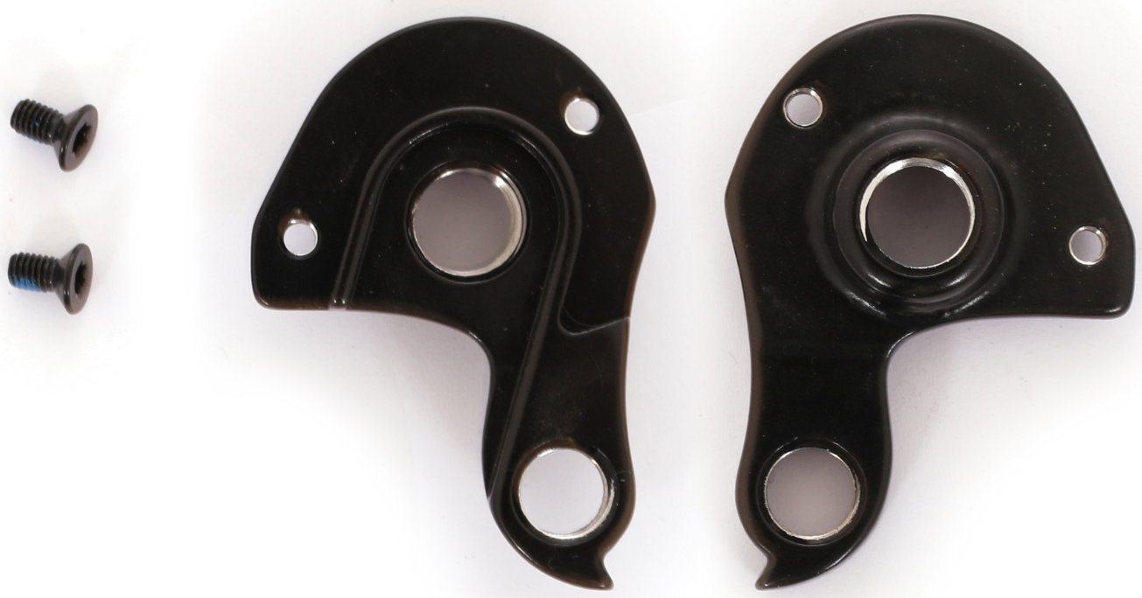 | SUP+RM |  |  |  |  |  |  |  |  |  |  | TORRENT 90/70-29 CATHERINE 70-29 THUNDER HD 29 LTD | TORRENT 90/70-29 | TORRENT 90/70-29
013.0002.00117-244 | will be added soon | RM |  |  |  |  |  |  |  |  |  |  |  | AVALANCHE INT e70-26 AVALANCHE e50-26 | AVALANCHE e50-26 AVALANCHE INT e90-26 e70-26
013.0002.00154-244 | 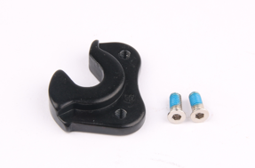 | RM |  |  |  |  |  |  |  |  |  |  |  | GRAVELRIDE 500/200 | GRAVELRIDE 500/200
013.0002.00137-372 replaces 013.0002.00111-377 | 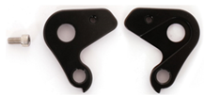 | RM |  |  |  |  |  |  |  | BLIZZ 27,5+ | BLIZZ 70/40-27+ e70/e50-27+ BLIZZ INT e50-27+ BLIZZARD INT eLTD | BLIZZARD e90 – 27 25TH ANNIVERSARY BLIZZARD INT e70-27+ LTD BLIZZARD INT e90/e70/e50/e30-27+ BLIZZARD e90/e50-27/29 BLIZZ 70/40-27 BLIZZ e70/e50-29 BLIZZ INT e90/e50/e30-27+ | BLIZZARD INT eLTD-27+ BLIZZARD INT2 e90-29 RZ e70-29 Di2 e50/e30-29 BLIZZARD e30/e10-29 BLIZZ INT2 e50/e30-29 BLIZZ 70/40-29 | BLIZZARD INT e90-297 RZ e70-297 e50/e30-29 BLIZZ INT e60/e40-29 BLIZZ INT TRL e90-297 BLIZZ TRL 70/40-29 | BLIZZARD INT e90-297 RZ e70-297 e50/e30-29 BLIZZ INT e60/e40-29 BLIZZ INT TRL e90-297 BLIZZ TRL 70/40-29 40-29 LTD
Total:

